Planilha1
EXERCICIO 1
 |  | S=(A.B.C).(D.E)

A | B | C | D | E | S1 | S2 | S
0 | 0 | 0 | 0 | 0 | 0 | 0 | 0
0 | 0 | 0 | 0 | 1 | 0 | 0 | 0
0 | 0 | 0 | 1 | 0 | 0 | 0 | 0
0 | 0 | 0 | 1 | 1 | 0 | 1 | 0
0 | 0 | 1 | 0 | 0 | 0 | 0 | 0
0 | 0 | 1 | 0 | 1 | 0 | 0 | 0
0 | 0 | 1 | 1 | 0 | 0 | 0 | 0
0 | 0 | 1 | 1 | 1 | 0 | 1 | 0
0 | 1 | 0 | 0 | 0 | 0 | 0 | 0
0 | 1 | 0 | 0 | 1 | 0 | 0 | 0
0 | 1 | 0 | 1 | 0 | 0 | 0 | 0
0 | 1 | 0 | 1 | 1 | 0 | 1 | 0
0 | 1 | 1 | 0 | 0 | 0 | 0 | 0
0 | 1 | 1 | 0 | 1 | 0 | 0 | 0
0 | 1 | 1 | 1 | 0 | 0 | 0 | 0
0 | 1 | 1 | 1 | 1 | 0 | 1 | 0
1 | 0 | 0 | 0 | 0 | 0 | 0 | 0
1 | 0 | 0 | 0 | 1 | 0 | 0 | 0
1 | 0 | 0 | 1 | 0 | 0 | 0 | 0
1 | 0 | 0 | 1 | 1 | 0 | 1 | 0
1 | 0 | 1 | 0 | 0 | 0 | 0 | 0
1 | 0 | 1 | 0 | 1 | 0 | 0 | 0
1 | 0 | 1 | 1 | 0 | 0 | 0 | 0
1 | 0 | 1 | 1 | 1 | 0 | 1 | 0
1 | 1 | 0 | 0 | 0 | 0 | 0 | 0
1 | 1 | 0 | 0 | 1 | 0 | 0 | 0
1 | 1 | 0 | 1 | 0 | 0 | 0 | 0
1 | 1 | 0 | 1 | 1 | 0 | 1 | 0
1 | 1 | 1 | 0 | 0 | 1 | 0 | 0
1 | 1 | 1 | 0 | 1 | 1 | 0 | 0
1 | 1 | 1 | 1 | 0 | 1 | 0 | 0
1 | 1 | 1 | 1 | 1 | 1 | 1 | 1

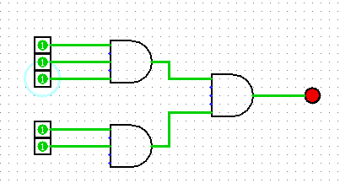

 | EXERCICIO 2
 | S=(A.C)+ (B+D)+(E.F)
A | B | C | D | E | F | S1 | S2 | S3 | S
0 | 0 | 0 | 0 | 0 | 0 | 0 | 0 | 0 | 0
0 | 0 | 0 | 0 | 0 | 1 | 0 | 0 | 0 | 0
0 | 0 | 0 | 0 | 1 | 0 | 0 | 0 | 0 | 0
0 | 0 | 0 | 0 | 1 | 1 | 0 | 0 | 1 | 1
0 | 0 | 0 | 1 | 0 | 0 | 0 | 1 | 0 | 1
0 | 0 | 0 | 1 | 0 | 1 | 0 | 1 | 0 | 1
0 | 0 | 0 | 1 | 1 | 0 | 0 | 1 | 0 | 1
0 | 0 | 0 | 1 | 1 | 1 | 0 | 1 | 1 | 1
0 | 0 | 1 | 0 | 0 | 0 | 0 | 0 | 0 | 0
0 | 0 | 1 | 0 | 0 | 1 | 0 | 0 | 0 | 0
0 | 0 | 1 | 0 | 1 | 0 | 0 | 0 | 0 | 0
0 | 0 | 1 | 0 | 1 | 1 | 0 | 0 | 1 | 1
0 | 0 | 1 | 1 | 0 | 0 | 0 | 1 | 0 | 1
0 | 0 | 1 | 1 | 0 | 1 | 0 | 1 | 0 | 1
0 | 0 | 1 | 1 | 1 | 0 | 0 | 1 | 0 | 1
0 | 0 | 1 | 1 | 1 | 1 | 0 | 1 | 1 | 1
0 | 1 | 0 | 0 | 0 | 0 | 0 | 1 | 0 | 1
0 | 1 | 0 | 0 | 0 | 1 | 0 | 1 | 0 | 1
0 | 1 | 0 | 0 | 1 | 0 | 0 | 1 | 0 | 1
0 | 1 | 0 | 0 | 1 | 1 | 0 | 1 | 1 | 1
0 | 1 | 0 | 1 | 0 | 0 | 0 | 1 | 0 | 1
0 | 1 | 0 | 1 | 0 | 1 | 0 | 1 | 0 | 1
0 | 1 | 0 | 1 | 1 | 0 | 0 | 1 | 0 | 1
0 | 1 | 0 | 1 | 1 | 1 | 0 | 1 | 1 | 1
0 | 1 | 1 | 0 | 0 | 0 | 0 | 1 | 0 | 1
0 | 1 | 1 | 0 | 0 | 1 | 0 | 1 | 0 | 1
0 | 1 | 1 | 0 | 1 | 0 | 0 | 1 | 0 | 1
0 | 1 | 1 | 0 | 1 | 1 | 0 | 1 | 1 | 1
0 | 1 | 1 | 1 | 0 | 0 | 0 | 1 | 0 | 1
0 | 1 | 1 | 1 | 0 | 1 | 0 | 1 | 0 | 1
0 | 1 | 1 | 1 | 1 | 0 | 0 | 1 | 0 | 1
0 | 1 | 1 | 1 | 1 | 1 | 0 | 1 | 1 | 1
1 | 0 | 0 | 0 | 0 | 0 | 0 | 0 | 0 | 0
1 | 0 | 0 | 0 | 0 | 1 | 0 | 0 | 0 | 0
1 | 0 | 0 | 0 | 1 | 0 | 0 | 0 | 0 | 0
1 | 0 | 0 | 0 | 1 | 1 | 0 | 0 | 1 | 1
1 | 0 | 0 | 1 | 0 | 0 | 0 | 1 | 0 | 1
1 | 0 | 0 | 1 | 0 | 1 | 0 | 1 | 0 | 1
1 | 0 | 0 | 1 | 1 | 0 | 0 | 1 | 0 | 1
1 | 0 | 0 | 1 | 1 | 1 | 0 | 1 | 1 | 1
1 | 0 | 1 | 0 | 0 | 0 | 1 | 0 | 0 | 1
1 | 0 | 1 | 0 | 0 | 1 | 1 | 0 | 0 | 1
1 | 0 | 1 | 0 | 1 | 0 | 1 | 0 | 0 | 1
1 | 0 | 1 | 0 | 1 | 1 | 1 | 0 | 1 | 1
1 | 0 | 1 | 1 | 0 | 0 | 1 | 1 | 0 | 1
1 | 0 | 1 | 1 | 0 | 1 | 1 | 1 | 0 | 1
1 | 0 | 1 | 1 | 1 | 0 | 1 | 1 | 0 | 1
1 | 0 | 1 | 1 | 1 | 1 | 1 | 1 | 1 | 1
1 | 1 | 0 | 0 | 0 | 0 | 0 | 1 | 0 | 1
1 | 1 | 0 | 0 | 0 | 1 | 0 | 1 | 0 | 1
1 | 1 | 0 | 0 | 1 | 0 | 0 | 1 | 0 | 1
1 | 1 | 0 | 0 | 1 | 1 | 0 | 1 | 1 | 1
1 | 1 | 0 | 1 | 0 | 0 | 0 | 1 | 0 | 1
1 | 1 | 0 | 1 | 0 | 1 | 0 | 1 | 0 | 1
1 | 1 | 0 | 1 | 1 | 0 | 0 | 1 | 0 | 1
1 | 1 | 0 | 1 | 1 | 1 | 0 | 1 | 1 | 1
1 | 1 | 1 | 0 | 0 | 0 | 1 | 1 | 0 | 1
1 | 1 | 1 | 0 | 0 | 1 | 1 | 1 | 0 | 1
1 | 1 | 1 | 0 | 1 | 0 | 1 | 1 | 0 | 1
1 | 1 | 1 | 0 | 1 | 1 | 1 | 1 | 0 | 1
1 | 1 | 1 | 1 | 0 | 0 | 1 | 1 | 0 | 1
1 | 1 | 1 | 1 | 0 | 1 | 1 | 1 | 0 | 1
1 | 1 | 1 | 1 | 1 | 0 | 1 | 1 | 0 | 1
1 | 1 | 1 | 1 | 1 | 1 | 1 | 1 | 1 | 1

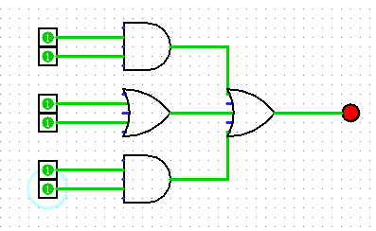

 | EXERCICIO 3
 | S=(!A.!B.C.D)+(A.!B.!C!D)+(A.!B.C.D)
A | B | C | D | S
0 | 0 | 0 | 0 | 0
0 | 0 | 0 | 1 | 0
0 | 0 | 1 | 0 | 0
0 | 0 | 1 | 1 | 1 | S=A!.!B.C.D
0 | 1 | 0 | 0 | 0
0 | 1 | 0 | 1 | 0
0 | 1 | 1 | 0 | 0
0 | 1 | 1 | 1 | 0
1 | 0 | 0 | 0 | 1 | S=A+!B.!C.!D
1 | 0 | 0 | 1 | 0
1 | 0 | 1 | 0 | 0
1 | 0 | 1 | 1 | 1 | S=A+!B.C.D
1 | 1 | 0 | 0 | 0
1 | 1 | 0 | 1 | 0
1 | 1 | 1 | 0 | 0
1 | 1 | 1 | 1 | 0
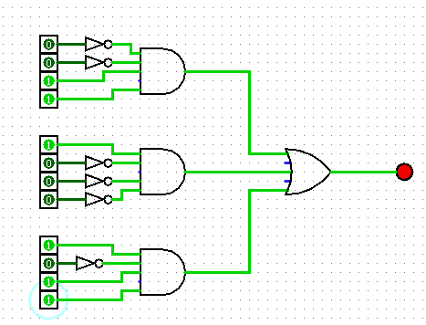

EXERCICIO 4

A | B | C | D | E | S1 | S2 | S
0 | 0 | 0 | 0 | 0 | 0 | 0 | 1 |  | S=!((A+B+C)+(D+E))
0 | 0 | 0 | 0 | 1 | 0 | 1 | 1
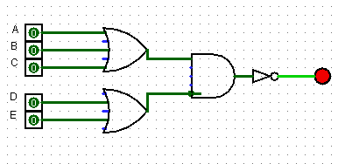
0 | 0 | 0 | 1 | 0 | 0 | 1 | 1
0 | 0 | 0 | 1 | 1 | 0 | 1 | 1
0 | 0 | 1 | 0 | 0 | 1 | 0 | 1
0 | 0 | 1 | 0 | 1 | 1 | 1 | 0
0 | 0 | 1 | 1 | 0 | 1 | 1 | 0
0 | 0 | 1 | 1 | 1 | 1 | 1 | 0
0 | 1 | 0 | 0 | 0 | 1 | 0 | 1
0 | 1 | 0 | 0 | 1 | 1 | 1 | 0
0 | 1 | 0 | 1 | 0 | 1 | 1 | 0
0 | 1 | 0 | 1 | 1 | 1 | 1 | 0
0 | 1 | 1 | 0 | 0 | 1 | 0 | 1
0 | 1 | 1 | 0 | 1 | 1 | 1 | 0
0 | 1 | 1 | 1 | 0 | 1 | 1 | 0
0 | 1 | 1 | 1 | 1 | 1 | 1 | 0
1 | 0 | 0 | 0 | 0 | 1 | 0 | 1
1 | 0 | 0 | 0 | 1 | 1 | 1 | 0
1 | 0 | 0 | 1 | 0 | 1 | 1 | 0
1 | 0 | 0 | 1 | 1 | 1 | 1 | 0
1 | 1 | 1 | 0 | 0 | 1 | 0 | 1
1 | 1 | 1 | 0 | 1 | 1 | 1 | 0
1 | 1 | 1 | 1 | 0 | 1 | 1 | 0
1 | 1 | 1 | 1 | 1 | 1 | 1 | 0
1 | 0 | 0 | 0 | 0 | 1 | 0 | 1
1 | 0 | 0 | 0 | 1 | 1 | 1 | 0
1 | 0 | 0 | 1 | 0 | 1 | 1 | 0
1 | 0 | 0 | 1 | 1 | 1 | 1 | 0
1 | 1 | 1 | 0 | 0 | 1 | 0 | 1
1 | 1 | 1 | 0 | 1 | 1 | 1 | 0
1 | 1 | 1 | 1 | 0 | 1 | 1 | 0
1 | 1 | 1 | 1 | 1 | 1 | 1 | 0

 | EXERCICIO 5
A | B | C | D | E | F | S1 | S2 | S3 | S
0 | 0 | 0 | 0 | 0 | 0 | 0 | 0 | 0 | 0
0 | 0 | 0 | 0 | 0 | 1 | 0 | 0 | 0 | 0
0 | 0 | 0 | 0 | 1 | 0 | 0 | 0 | 0 | 0 | S= (A.B)+(A.D)+(E.F)+C
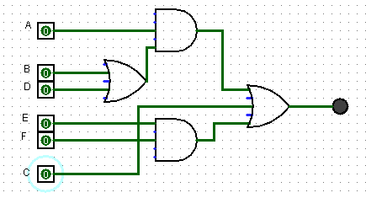
0 | 0 | 0 | 0 | 1 | 1 | 0 | 1 | 0 | 1
0 | 0 | 0 | 1 | 0 | 0 | 1 | 0 | 0 | 0
0 | 0 | 0 | 1 | 0 | 1 | 1 | 0 | 0 | 0
0 | 0 | 0 | 1 | 1 | 0 | 1 | 0 | 0 | 0
0 | 0 | 0 | 1 | 1 | 1 | 1 | 1 | 0 | 1
0 | 0 | 1 | 0 | 0 | 0 | 0 | 0 | 1 | 1
0 | 0 | 1 | 0 | 0 | 1 | 0 | 0 | 1 | 1
0 | 0 | 1 | 0 | 1 | 0 | 0 | 0 | 1 | 1
0 | 0 | 1 | 0 | 1 | 1 | 0 | 1 | 1 | 1
0 | 0 | 1 | 1 | 0 | 0 | 1 | 0 | 1 | 1
0 | 0 | 1 | 1 | 0 | 1 | 1 | 0 | 1 | 1
0 | 0 | 1 | 1 | 1 | 0 | 1 | 0 | 1 | 1
0 | 0 | 1 | 1 | 1 | 1 | 1 | 1 | 1 | 1
0 | 1 | 0 | 0 | 0 | 0 | 1 | 0 | 0 | 0
0 | 1 | 0 | 0 | 0 | 1 | 1 | 0 | 0 | 0
0 | 1 | 0 | 0 | 1 | 0 | 1 | 0 | 0 | 0
0 | 1 | 0 | 0 | 1 | 1 | 1 | 1 | 0 | 1
0 | 1 | 0 | 1 | 0 | 0 | 1 | 0 | 0 | 0
0 | 1 | 0 | 1 | 0 | 1 | 1 | 0 | 0 | 0
0 | 1 | 0 | 1 | 1 | 0 | 1 | 0 | 0 | 0
0 | 1 | 0 | 1 | 1 | 1 | 1 | 1 | 0 | 0
0 | 1 | 1 | 0 | 0 | 0 | 1 | 0 | 1 | 1
0 | 1 | 1 | 0 | 0 | 1 | 1 | 0 | 1 | 1
0 | 1 | 1 | 0 | 1 | 0 | 1 | 0 | 1 | 1
0 | 1 | 1 | 0 | 1 | 1 | 1 | 1 | 1 | 1
0 | 1 | 1 | 1 | 0 | 0 | 1 | 0 | 1 | 1
0 | 1 | 1 | 1 | 0 | 1 | 1 | 0 | 1 | 1
0 | 1 | 1 | 1 | 1 | 0 | 1 | 0 | 1 | 1
0 | 1 | 1 | 1 | 1 | 1 | 1 | 1 | 1 | 1
1 | 0 | 0 | 0 | 0 | 0 | 0 | 0 | 0 | 0
1 | 0 | 0 | 0 | 0 | 1 | 0 | 0 | 0 | 0
1 | 0 | 0 | 0 | 1 | 0 | 0 | 0 | 0 | 0
1 | 0 | 0 | 0 | 1 | 1 | 0 | 1 | 0 | 1
1 | 0 | 0 | 1 | 0 | 0 | 1 | 0 | 0 | 0
1 | 0 | 0 | 1 | 0 | 1 | 1 | 0 | 0 | 0
1 | 0 | 0 | 1 | 1 | 0 | 1 | 0 | 0 | 0
1 | 0 | 0 | 1 | 1 | 1 | 1 | 1 | 0 | 1
1 | 0 | 1 | 0 | 0 | 0 | 0 | 0 | 1 | 1
1 | 0 | 1 | 0 | 0 | 1 | 0 | 0 | 1 | 1
1 | 0 | 1 | 0 | 1 | 0 | 0 | 0 | 1 | 1
1 | 0 | 1 | 0 | 1 | 1 | 0 | 1 | 1 | 1
1 | 0 | 1 | 1 | 0 | 0 | 1 | 0 | 1 | 1
1 | 0 | 1 | 1 | 0 | 1 | 1 | 0 | 1 | 1
1 | 0 | 1 | 1 | 1 | 0 | 1 | 0 | 1 | 1
1 | 0 | 1 | 1 | 1 | 1 | 1 | 1 | 1 | 1
1 | 1 | 0 | 0 | 0 | 0 | 1 | 0 | 0 | 0
1 | 1 | 0 | 0 | 0 | 1 | 1 | 0 | 0 | 0
1 | 1 | 0 | 0 | 1 | 0 | 1 | 0 | 0 | 0
1 | 1 | 0 | 0 | 1 | 1 | 1 | 1 | 0 | 1
1 | 1 | 0 | 1 | 0 | 0 | 1 | 0 | 0 | 0
1 | 1 | 0 | 1 | 0 | 1 | 1 | 0 | 0 | 0
1 | 1 | 0 | 1 | 1 | 0 | 1 | 0 | 0 | 0
1 | 1 | 0 | 1 | 1 | 1 | 1 | 1 | 0 | 1
1 | 1 | 1 | 0 | 0 | 0 | 1 | 0 | 1 | 1
1 | 1 | 1 | 0 | 0 | 1 | 1 | 0 | 1 | 1
1 | 1 | 1 | 0 | 1 | 0 | 1 | 0 | 1 | 1
1 | 1 | 1 | 0 | 1 | 1 | 1 | 1 | 1 | 1
1 | 1 | 1 | 1 | 0 | 0 | 1 | 0 | 1 | 1
1 | 1 | 1 | 1 | 0 | 1 | 1 | 0 | 1 | 1
1 | 1 | 1 | 1 | 1 | 0 | 1 | 0 | 1 | 1
1 | 1 | 1 | 1 | 1 | 1 | 1 | 1 | 1 | 1

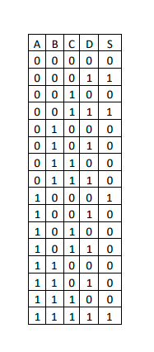
 | EXERCICIO 6
 |  |  |  | S=(!A.!B.!C.D)+(!A.!B.C.D)+(A.!B.!C.!D)+(A.B.C.D)
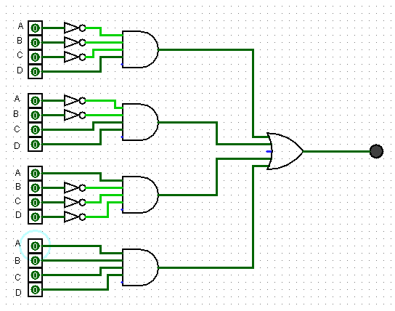

 |  |  | !A.!B.!C.D

 |  |  | !A.!B.C.D

 |  |  | A.!B.!C.!D

 |  |  | A.B.C.D

